1.0 Results of the exploratory
Exploratory test - low priority

1. No information on which field in the form is mandatory for the ‘Request for Proposal’ form.

Steps: | 1. Visit main website slodkie.com
 | 2. Click "Request for Proposal" button on the right top of the website

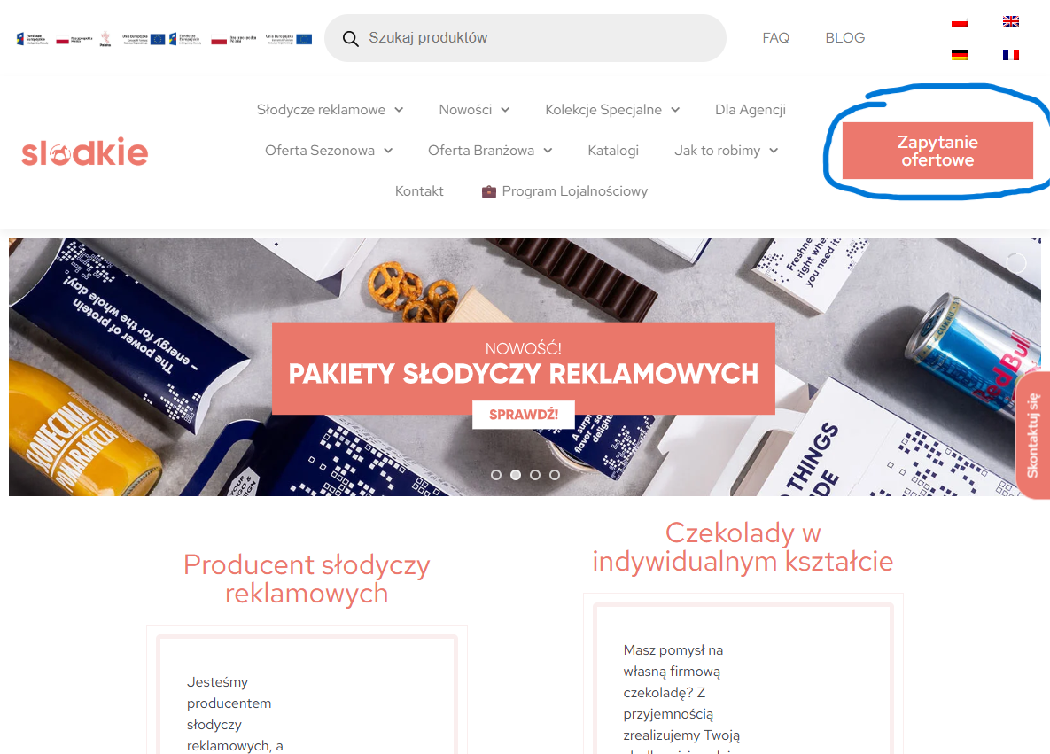

 | 3. In the form that appear there is a note on the bottom with description "* - mandatory field" but there is no descripion in any of this fields.
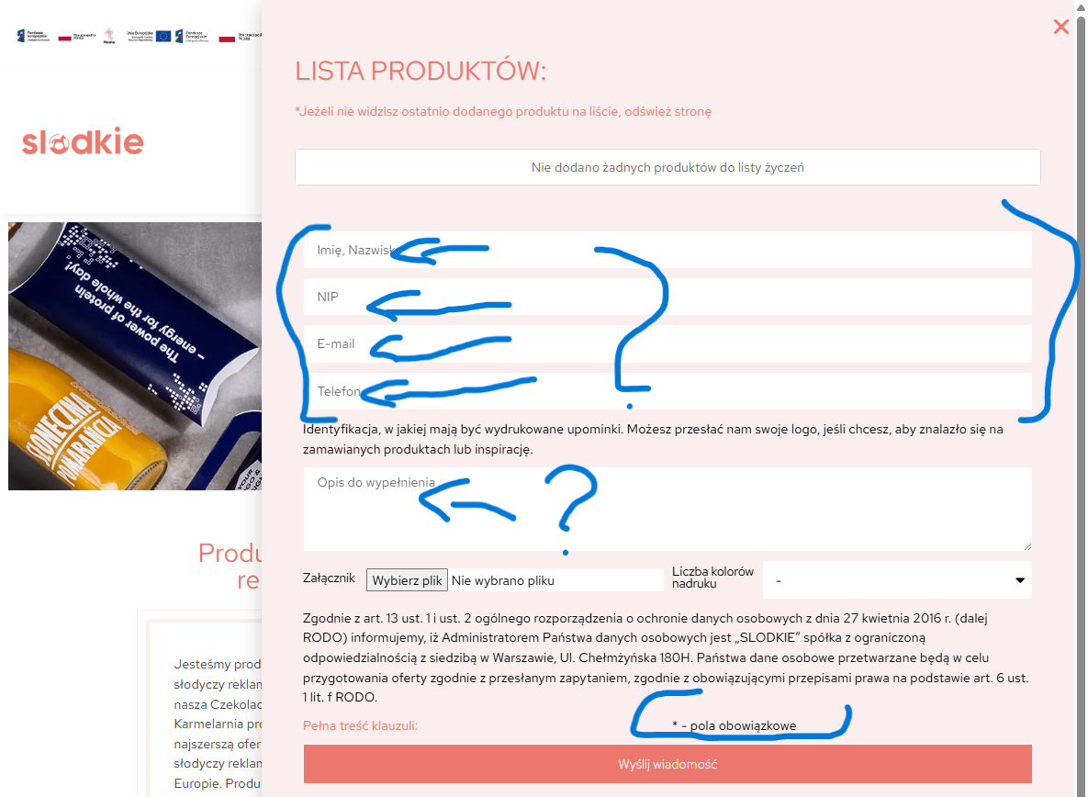

Expectation: | 4. Remove descripion "* - mandatory filed" in the bottom of the above the "Send message" button.

